Hardware
Status | Item | Description | Image
Integrated | 3mm Shell | Thin construction allows the head to sit as close to the face as possible without making it look too big and out of proportion | Image not required
Revision | Jaw Joint V3 | Designed to be removable and easy to attach whilst remaining mechanically bound to each other. The jaw arms must first be compressed and put into place then rotated 30-80 deg to lock it into place. | 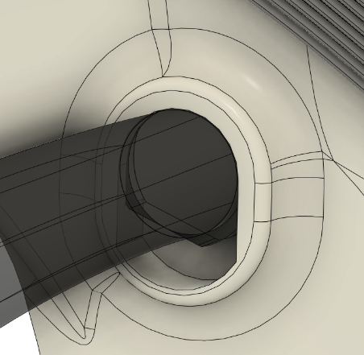
Integrated | Rubber Band Holder V3 |  | 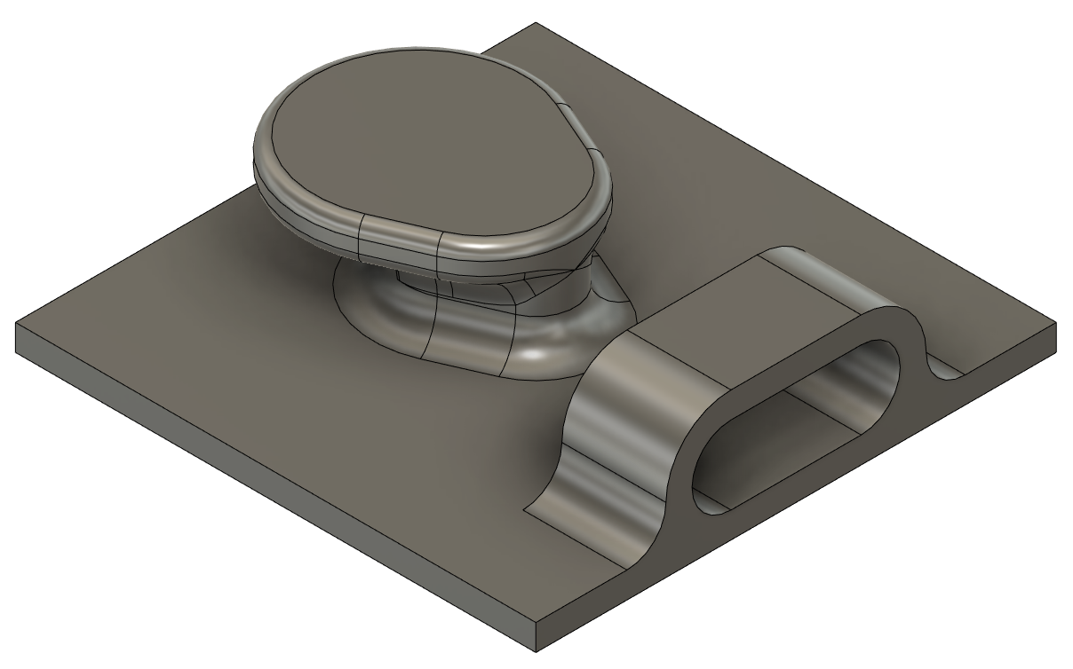

Experimental

Obsolete

